Sheet1
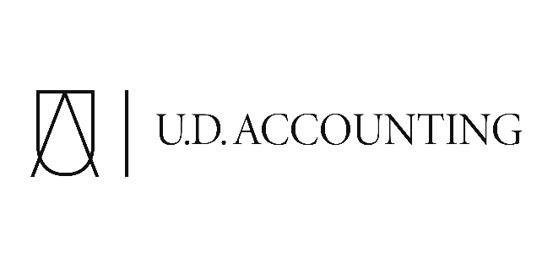

 | Enter all relevant information
 | Year Filing:
Address:

 | Rental Income:

 | Expenses:
 | Advertising:
 | Insurance:
 | Repairs and Maintenance:
 | Interest and Bank Charges:
 | Management and Administration Fees:
 | Motor vehicle expenses (excluding CCA)
 | Legal and accounting expenses:
 | Office Expenses:
 | salaries and wages
 | Property Tax:
 | Travel:
 | Utilities:
 | Other Expenses (Please specify):
 | Major Capital Expenditures:
Other Information:

email: admin@ud-accounting.ca Phone: 647-606-4183 website: www.udaccounting.ca

